June 2021
Eastern Creek Operations Pty Ltd
UR-3R Facility, Wallgrove Road, Eastern Creek, NSW 2766
PO Box 202, Horsley Park, NSW 2175
Environment Protection Licence # 11798
http://www.environment.nsw.gov.au/prpoeoapp/ViewPOEOLicence.aspx?DOCID=31791&SYSUID=1&LICID=11798

Monitoring Data for June 2021
Date published 14 Jul 2021

Monitoring Data for Point ID#5
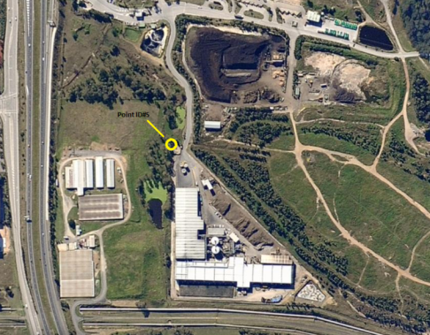

ID#5 is the sampling point for overflows from the Eastern Creek UR-3R Facility’s stormwater capture dam. The stormwater system is designed to capture the first flush (the first 10mm of rainfall runoff from the site) and thereafter to allow the excess stormwater to overflow after passing through the capture dam. The sampling results shown on this report are for the overflow stormwater, not the ‘first flush’ captured water. The Facility’s stormwater system is designed to mitigate runoff so that the 1:100 year site stormwater discharge rate is no larger than a 1:5 year runoff event would have been before the construction of the Facility.

Monitoring frequency required by the licence: |  |  |  | Daily during any discharge
Number of times sampled during the month: |  |  |  | 5

Analyte | Units of Measure | Min. Value | Mean Value | Median Value | Max. Value
Phosphorus (Total) | milligrams per litre | 0.1 | 0.2 | 0.2 | 0.4
BOD | milligrams per litre | <4 | 9 | 6 | 20
Nitrogen- Total as N | milligrams per litre | 4 | 6 | 5 | 9
Oil and Grease | milligrams per litre | <5 | <5 | <5 | <5
Suspended Solids | milligrams per litre | 6 | 85 | 29 | 300
pH | pH | 7.2 | 7.5 | 7.5 | 7.8

Other Reporting information:
MWOO Levy Exemption (Page 1667 and 1668 of NSW Government Gazette no.90 of 1st May 2020
Section b):
§ MWOO has been pasteurised according to section 1.3
§ MWOO has been biologically stabilised according to section 2.2
Section d)
§ The tonnage shipped is (as at 01/01/2021) is 173402 tonnes (limited to 218500 tonnes up to 1st May 2021).

